Instructions
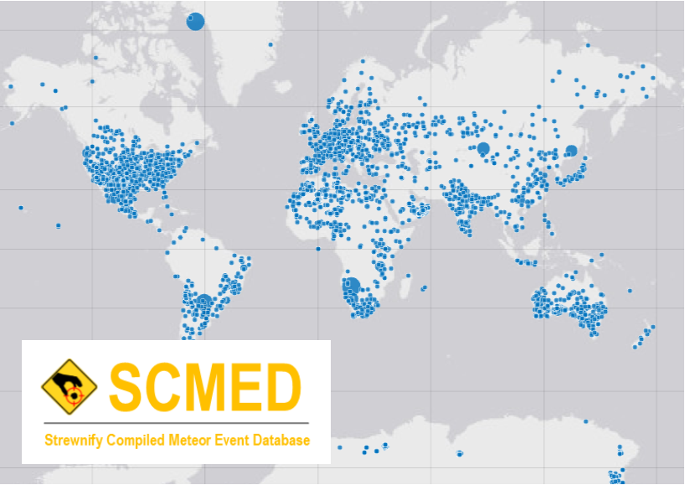

 |  |  | Strewnify Compiled Meteor Event Database

 |  |  | The Strewnify Compiled Meteor Event Database (SCMED) is database of meteor fireball events, compiled from multiple sources, for the purpose of research and meteorite recovery. The database format was first developed by Jim Goodall, in 2020, in the MATLAB computing environment. It is the intent of the developer that this database will be a publicly available resource, useful for all types of meteor research. Although individual meteorite find data can be stored in this database, it is important to note that SCMED was developed to store meteor event data, and was not intended as a meteorite database.

 |  |  | Not all of the database is represented in this spreadsheet, only the named events are shown. The database is still under development.

 |  |  | Crowdsourcing Initiative

 |  |  | In an effort to develop the database quickly, we are turning to meteorite hunters, collectors, researchers, and other enthusiasts to collect data, in a crowdsourcing initiative. If you are interested in supporting this effort, please contact:

 |  |  | Jim Goodall
 |  |  | Strewnify.com
 |  |  | admin@strewnify.com
 |  |  | +1 586 709 5888

 |  |  | What you should know before contributing:
 |  |  | 1. All activity is monitored and you may be contacted to confirm your changes.
 |  |  | 2. All data added here is public and Strewnify reserves the right to re-publish this data. We will make every effort to give credit to the source, as long as you document your credentials on the Sources tab.
 |  |  | 3. You should have a reasonable level of confidence in the data you provide. Do not approximate or guess.

Cite your Source!
Every piece of data should be backed up by a source, either a person, website, book, scientific paper, or other published material.
Most sources should be documented on the "Sources" tab, but it is also acceptable to list a one-time source elsewhere.
For example, a random person who found a meteorite should not be listed as a source on the Sources tab. Instead, just list the name in the "Sources" column of the "Meteorites" tab.

Steps to add or update information about a WITNESSED METEOR EVENT
These instructions are for witnessed meteor events. It is not necessary that meteorites were found, but the event should be big enough to have produced meteorites (fireballs, not shooting stars).
1. Enter your source information into the Sources tab. If your information is first hand, enter your name and any contact information you would like to provide.
2. Update the meteor event on the "Events" tab. If the event is not listed, start typing into a blank row at the bottom of the sheet.
3. At a minimum, every event must the following fields completed:
 | Field | Description
 | Event Name | If the event has no official name, you can put the name of the nearest town or geographic feature, based on your recommendation
 | Event Type | choose "witnessed"
 | UTC Date and Time | Date and time should be entered in the following format: mm/dd/yyyy HH:MM:SS
 | Reference Point Description | Description of the provided coordinates, look at other events for examples
 | Reference Latitude | latitude of the reference location given
 | Reference Longitude | longtitude of the reference location given
 | Generic Source | The number of the source on the "Sources" tab
4. If you have additional information that is not captured by any of the columns, feel free to add a column.

Steps to add or update information about an UNWITNESSED METEOR EVENT
These instructions are for meteor events that happened at an unknown time in the past. This means that a meteorite or crater was found but it was not connected to a witnessed event.
1. Enter your source information into the Sources tab. If your information is first hand, enter your name and any contact information you would like to provide.
2. Update the meteor event on the "Events" tab. If the event is not listed, start typing into a blank row at the bottom of the sheet.
3. At a minimum, every unwitnessed event must the following fields completed:
 | Field | Description
 | Event Name | If the event has no official name, you can put the name of the nearest town or geographic feature, based on your recommendation
 | Event Type | choose "unwitnessed"
 | Date of Discovery | Date that the event was first discovered. This could be the find date for the first meteorite, for example, or the year that a meteor crater was identified.
 | Reference Point Description | Description of the provided coordinates, look at other events for examples
 | Reference Latitude | latitude of the reference location given
 | Reference Longitude | longtitude of the reference location given
 | Generic Source | The number of the source on the "Sources" tab
4. If you have additional information that is not captured by any of the columns, feel free to add a column.

Steps to add or update information about a METEORITE rock
This section is for whole rocks, as found (finds, not slices). To document a meteorite in this database, you MUST have a specific location! (coordinates)
It is acceptable to list all the owners of slices, but only if the slice can be traced to a specific rock and location.
1. Enter your source information into the Sources tab. If your information is first hand, enter your name and any contact information you would like to provide.
2. Update the meteorite information on the "Meteorites" tab. If the meteorite is not listed, start typing into a blank row at the bottom of the sheet.
3. At a minimum, every event must the following fields completed:
 | Field | Description
 | Event Name | If the event has no official name, you can put the name of the nearest town or geographic feature, based on your recommendation
 | Mass | the mass of the specimen, in grams
 | Latitude | The location of the find. If the exact location is unknown, Google the coordinates of the nearest city. For NWA meteorites with unknown find location, use the coordinates of Casablanca: 33.5731° N, 7.5898° W
 | Longitude | The location of the find. If the exact location is unknown, Google the coordinates of the nearest city. For NWA meteorites with unknown find location, use the coordinates of Casablanca: 33.5731° N, 7.5898° W
 | Location certainty | The confidence in the find location. Refer to the Reference tab for guidance.
4. If you have additional information that is not captured by any of the columns, feel free to add a column.

EventID
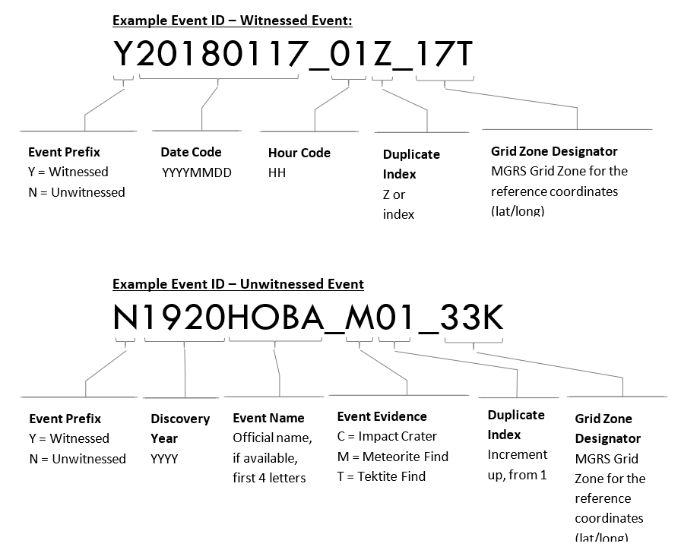

Longitude |  | Latitude
-180 | 1 | -90 | A or B
-174 | 2 | -80 | C
-168 | 3 | -72 | D
-162 | 4 | -64 | E
-156 | 5 | -56 | F
-150 | 6 | -48 | G
-144 | 7 | -40 | H
-138 | 8 | -32 | J
-132 | 9 | -24 | K
-126 | 10 | -16 | L
-120 | 11 | -8 | M
-114 | 12 | 0 | N
-108 | 13 | 8 | P
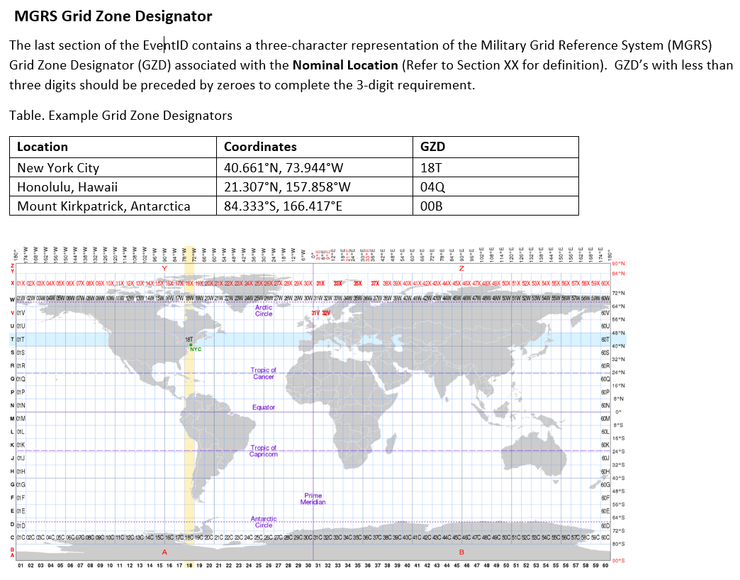
-102 | 14 | 16 | Q
-96 | 15 | 24 | R
-90 | 16 | 32 | S
-84 | 17 | 40 | T
-78 | 18 | 48 | U
-72 | 19 | 56 | V
-66 | 20 | 64 | W
-60 | 21 | 72 | X
-54 | 22 | 84 | Y or Z
-48 | 23 | 90
-42 | 24
-36 | 25
-30 | 26
-24 | 27
-18 | 28
-12 | 29
-6 | 30
0 | 31
6 | 32
12 | 33
18 | 34
24 | 35
30 | 36
36 | 37
42 | 38
48 | 39
54 | 40
60 | 41
66 | 42
72 | 43
78 | 44
84 | 45
90 | 46
96 | 47
102 | 48
108 | 49
114 | 50
120 | 51
126 | 52
132 | 53
138 | 54
144 | 55
150 | 56
156 | 57
162 | 58
168 | 59
174 | 60
180

